1.3.1 Setting up Google Spreads
State | Year | Rape | Kidnap And Assault | Dowry Deaths | Assault against women | Assault against modesty of women | Domestic violence | Women Trafficking
ANDHRA PRADESH | 2001 | 871 | 765 | 420 | 3544 | 2271 | 5791 | 7
ARUNACHAL PRADESH | 2001 | 33 | 55 | 0 | 78 | 3 | 11 | 0
ASSAM | 2001 | 817 | 1070 | 59 | 850 | 4 | 1248 | 0
BIHAR | 2001 | 888 | 518 | 859 | 562 | 21 | 1558 | 83
CHHATTISGARH | 2001 | 959 | 171 | 70 | 1763 | 161 | 840 | 0
GOA | 2001 | 12 | 6 | 2 | 17 | 7 | 11 | 0
GUJARAT | 2001 | 286 | 857 | 67 | 756 | 111 | 3667 | 0
HARYANA | 2001 | 398 | 297 | 285 | 478 | 401 | 1513 | 0
HIMACHAL PRADESH | 2001 | 124 | 105 | 10 | 310 | 14 | 317 | 0
JAMMU & KASHMIR | 2001 | 169 | 504 | 13 | 622 | 288 | 50 | 0
JHARKHAND | 2001 | 567 | 279 | 217 | 297 | 5 | 484 | 2
KARNATAKA | 2001 | 293 | 271 | 220 | 1665 | 81 | 1755 | 0
KERALA | 2001 | 562 | 97 | 27 | 1942 | 81 | 2561 | 0
MADHYA PRADESH | 2001 | 2851 | 668 | 609 | 7063 | 751 | 2562 | 0
MAHARASHTRA | 2001 | 1302 | 611 | 308 | 2823 | 1120 | 6090 | 1
MANIPUR | 2001 | 20 | 62 | 0 | 21 | 0 | 5 | 0
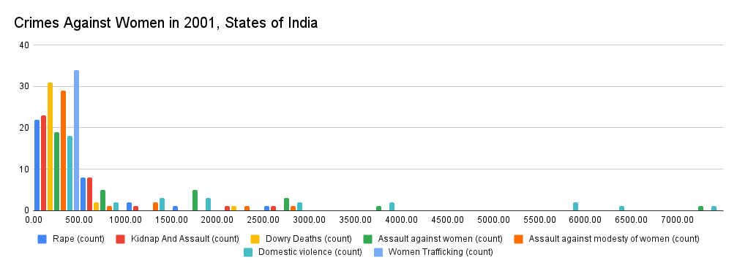
MEGHALAYA | 2001 | 26 | 11 | 0 | 25 | 0 | 4 | 0
MIZORAM | 2001 | 52 | 1 | 0 | 52 | 0 | 16 | 3
NAGALAND | 2001 | 17 | 6 | 0 | 6 | 0 | 0 | 0
ODISHA | 2001 | 790 | 434 | 294 | 1655 | 458 | 1266 | 0
PUNJAB | 2001 | 298 | 324 | 159 | 372 | 47 | 1128 | 0
RAJASTHAN | 2001 | 1049 | 2165 | 376 | 2878 | 56 | 5532 | 1
SIKKIM | 2001 | 8 | 2 | 0 | 0 | 14 | 0 | 0
TAMIL NADU | 2001 | 423 | 607 | 191 | 1773 | 1012 | 815 | 14
TRIPURA | 2001 | 102 | 35 | 16 | 58 | 0 | 227 | 0
UTTAR PRADESH | 2001 | 1958 | 2879 | 2211 | 2870 | 2575 | 7365 | 0
UTTARAKHAND | 2001 | 74 | 126 | 56 | 103 | 84 | 301 | 0
WEST BENGAL | 2001 | 709 | 695 | 265 | 954 | 48 | 3859 | 3
A & N ISLANDS | 2001 | 3 | 2 | 0 | 19 | 1 | 9 | 0
CHANDIGARH | 2001 | 18 | 50 | 3 | 24 | 15 | 36 | 0
D & N HAVELI | 2001 | 6 | 2 | 0 | 7 | 0 | 4 | 0
DAMAN & DIU | 2001 | 0 | 3 | 0 | 0 | 0 | 4 | 0
LAKSHADWEEP | 2001 | 0 | 0 | 0 | 0 | 0 | 0 | 0
PUDUCHERRY | 2001 | 9 | 3 | 1 | 35 | 27 | 3 | 0

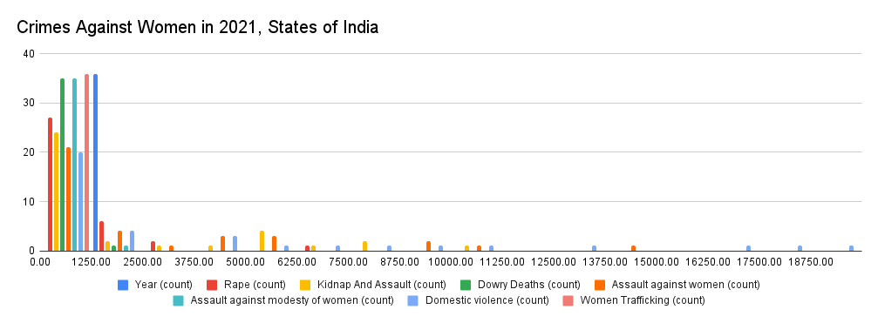
State | Year | Rape | Kidnap And Assault | Dowry Deaths | Assault against women | Assault against modesty of women | Domestic violence | Women Trafficking
Andhra Pradesh | 2021 | 1188 | 613 | 108 | 5108 | 2370 | 7092 | 70
Arunachal Pradesh | 2021 | 83 | 50 | 0 | 74 | 10 | 112 | 0
Assam | 2021 | 1733 | 5739 | 198 | 4499 | 184 | 12950 | 22
Bihar | 2021 | 786 | 8661 | 1000 | 387 | 1 | 2069 | 32
Chhattisgarh | 2021 | 1093 | 1158 | 65 | 1248 | 238 | 963 | 3
Goa | 2021 | 72 | 39 | 0 | 74 | 20 | 1 | 1
Gujarat | 2021 | 589 | 881 | 11 | 660 | 7 | 2271 | 38
Haryana | 2021 | 1716 | 2958 | 275 | 2882 | 290 | 5755 | 28
Himachal Pradesh | 2021 | 358 | 344 | 2 | 487 | 94 | 221 | 6
Jammu & Kashmir | 2021 | 1425 | 1159 | 281 | 1335 | 6 | 931 | 3
Jharkhand | 2021 | 555 | 906 | 158 | 5105 | 71 | 2336 | 190
Karnataka | 2021 | 771 | 179 | 9 | 4059 | 504 | 4997 | 5
Kerala | 2021 | 2947 | 6106 | 522 | 5760 | 250 | 7929 | 15
Madhya Pradesh | 2021 | 2496 | 7559 | 172 | 10568 | 1038 | 10095 | 95
Maharashtra | 2021 | 26 | 44 | 2 | 92 | 16 | 18 | 0
Manipur | 2021 | 75 | 42 | 0 | 92 | 24 | 21 | 3
Meghalaya | 2021 | 26 | 0 | 0 | 31 | 0 | 11 | 0
Mizoram | 2021 | 4 | 5 | 0 | 11 | 1 | 2 | 0
Nagaland | 2021 | 1456 | 5175 | 293 | 14853 | 838 | 4889 | 31
Odisha | 2021 | 464 | 1616 | 69 | 678 | 39 | 1714 | 12
Punjab | 2021 | 6337 | 5964 | 452 | 9079 | 73 | 16949 | 40
Rajasthan | 2021 | 8 | 1 | 0 | 17 | 0 | 3 | 0
Sikkim | 2021 | 422 | 638 | 27 | 1077 | 32 | 875 | 381
Tamil Nadu | 2021 | 823 | 1934 | 175 | 4365 | 775 | 9468 | 12
Telangana | 2021 | 61 | 115 | 22 | 94 | 1 | 355 | 0
Tripura | 2021 | 2845 | 10574 | 2222 | 9393 | 27 | 18375 | 12
Uttar Pradesh | 2021 | 534 | 402 | 72 | 655 | 13 | 519 | 17
Uttarakhand | 2021 | 1123 | 7376 | 454 | 2485 | 424 | 19952 | 50
West Bengal | 2021 | 15 | 0 | 1 | 32 | 4 | 4 | 0
A & N Islands | 2021 | 74 | 120 | 4 | 37 | 6 | 95 | 0
Chandigarh | 2021 | 3 | 23 | 0 | 7 | 0 | 6 | 0
D&N Haveli | 2021 | 1250 | 4083 | 141 | 2068 | 417 | 4731 | 4
Daman & Diu | 2021 | 315 | 904 | 16 | 1851 | 10 | 501 | 1
Delhi UT | 2021 | 2 | 1 | 0 | 5 | 1 | 9 | 0
Lakshadweep | 2021 | 0 | 0 | 0 | 1 | 1 | 3 | 0
Puducherry | 2021 | 2 | 0 | 2 | 31 | 3 | 12 | 0

